Serif Structure
1. Family Kind The Family Kind digit is used to trigger additional, as yet undeveloped, extensions to the PANOSE classification system. In the current incarnation of PANOSE a large amount of information is stored for text and display faces for the purposes of font matching and replacement. Script and decorative fonts receive little classification, but enough to separate them from the text and display faces as well as from each other.
2. Serif Style This digit describes the appearance of the serifs used in a font design and groups them into one of 14 general categories. Serif and sans serif faces are classified within this digit.

 | 14-flared | FootRat > 1.05 && SerProp < 0.35
Sans FootRat<=1.6 && TipRat<0.1 | 15-rounded | RonRat < 0.2
 | 13-Perpendicular | Footpitch > 0
 | 12-Obtuse | SerOb >=1.03 or SerOb <= 0.97
 | 11-Normal | 0.97 < SerOb < 1.03

 |  | 9-Exaggerated | CuspRat > 0.15 or SerSize > 0.19
 | non-Flat | Rounded | 7-Thin serif | HipRat <= 0.15
 | FlatRat > 0.8 or TipRat <= 0.25 | TRadAv > 0
 |  |  | 8-Oval | SerRat > 0.55
 |  |  | 2-Cove | SerRat <= 0.55 && SerOb > 0.93
 |  |  | 3-Obtuse Cove | SerRat <= 0.55 && SerOb <= 0.93

 |  |  | 14-Flared | SerSize<=0.09
Serif FootRat>1.6 or TipRat>=0.1 |  | Pointed
 |  | TRadAv <= 0 | 10-Triangle serif | HipRat < 0.3
 |  |  | 2-Cove | HipRat >= 0.3 && SerOb > 0.93
 |  |  | 3-Obtuse Cove | HipRat >= 0.3 && SerOb <= 0.93

 |  | 9-Exaggerated | SymRat >1.2 or SymRat < 0.85

 |  |  | Steep 10-Triangle serif | DropRat > 0.2 && HipRat <= 0.35
 | Flat pointed or rounded
 | FlatRat <= 0.8 or TipRat > 0.25 | Cove | Shallow | Obtuse 5-Obtuse Square Cove | SerOb<=0.93
 |  | HipRat > 0.1 | DropRat <=0.2 or HipRat > 0.35
 |  |  |  | Non-obtuse 4-Square Cove | SerOb>0.93

 |  |  | Steep 10-Triangle serif | StepRat <= 0.85

 |  | non-Cove | Shallow 6-Square serif | StepRat > 0.85 && TipRat > 0.35
 |  | HipRat <= 0.1
 |  |  | Shallow 7-Thin serif | StepRat > 0.85 && TipRat <= 0.35

3. Weight The Weight digit classifies the appearance of a font's stem thickness in relation to its height. It offers ten gradations, ranging from Very Light to Extra Black.
Weight |  | WeightRat = CapH / WStem(E)
0-Any 1-No fit
2- Very Light …………………WeightRat >= 35
3-Light………………… 18 <= WeightRat < 35
4-Thin……………………10 <= WeightRat < 18
5-Book ………………….7.5 <= WeightRat < 10
6-Medium……………….5.5 <= WeightRat < 7.5
7-Demi ………………….4.5 <= WeightRat < 5.5
8-Bold …………………..3.5 <= WeightRat < 4.5
9-Heavy………………… 2.5 <= WeightRat < 3.5
10-Black………………… 2.0 <= WeightRat < 2.5
11-Extra Black………………… WeightRat < 2.0

4. Proportion The Proportion digit describes the relative proportions of the characters in the font. Distinguishes Monospaced from Proportional, Modern from Old Style, and Extended from Condensed.
Proportion |  | 한글문자선택
 |  |  |  |  |  | Treatment

맘 와 니 왔 몸 핼

5. Contrast The Contrast digit describes the ratio between the thickest and narrowest points on the letter 'O.' The uppercase 'O' is used because it is generally of higher contrast than the other characters of the alphabet.
Contrast |  | 질감, 장식 |  |  |  | Finials

6. Stroke Variation The Stroke Variation digit further details the contrast trait by describing the kind of transition that occurs as the stem thickness changes on rounded glyph shapes.
Stroke Variation |  | 한글문자선택
 |  |  |  |  |  | Form

7. Arm Style The Arm Style digit describes diagonal stems and the termination of open rounded letterforms. The uppercase 'A' and 'C,' along with other relevant characters, are used for this classification.
Arm Style

8. Letterform The Letterform digit differentiates between normal and oblique fonts and describes the roundness of the character shapes.
Letterform |  | 한글문자 선택

 |  |  |  |  | CentDist =vertical line from baseline to right-most point

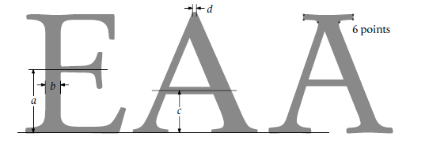
9. Midline The Midline digit describes the placement of the midline and the treatment of diagonal stem apexes.
Midline |  |  |  |  | 기준선과 중앙선 구분
http://www.monotype.com/services/pan2

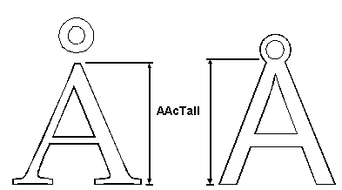
10. X-height The X-height digit describes the relative height of lowercase characters and the treatment of uppercase glyphs with diacritical marks.
X-height
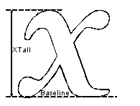

http://forum.high-logic.com/viewtopic.php?t=941 |  |  | PANOSE logic |  | http://forum.high-logic.com/postedfiles/Panose.pdf
http://www.docx4java.org/svn/docx4j/trunk/docx4j/src/main/java/org/docx4j/fonts/BestMatchingMapper.java |  |  |  | panose code

https://bugs.freedesktop.org/attachment.cgi?id=38886 |  |  | Panose number for each typrface

Evaluating the IBM and HP/PANOSE font classification systems |  |  | Doyle, John R. 2005. Evaluating the IBM and HP/PANOSE font classification systems. Online Information Review 29 (5) , 468- 482 | The classification systems are intended to help perform font substitution, as used when (part of) a document asks to be displayed in a font that is not present on the user's computer system, in which case the next nearest font is automatically chosen. |  |  | Practical implications – Fonts are rarely classified at the source of manufacture or distribution. To compensate for this shortcoming, software tools are required that can classify TTF files at the point of use (i.e. on one's own system) and fill in the information which is missing from the TTF files found there. Furthermore, a better classification of fonts is required, in particular one that does justice to the variety and richness of display fonts.

https://www.bountysource.com/issues/24481545-write-stand-alone-fonttools-script-for-each-family-metadata-type
http://www.w3.org/TR/2002/WD-css3-webfonts-20020802/ |  |  |  | W3C CSS3 web font 규격

Formula
 |  |  |  | 명조M | 명조B | 명조L | 고딕M | 고딕B | 고딕L | 아침M | 아침B | 아침L | 천년M | 천년B | 천년L | 다나M | 다나B | 다나L | 이야기M | 이야기B | 이야기L | 광수명조M | 광수명조B | 광수명조L | 상아M | 상아B | 상아L | HY타자M | HY타자L | HY신명 | HY태명 | HY중고 | HY태고 | 바른고딕 | 바른고딕 B | 나눔고딕 | 나눔고딕 B | 나눔명조 | 나눔명조 B | 바른펜 | 바른펜 B | 스페이스 | 광수뽀리
1 | Serif
 | Text | 2
2 | Serif
 | FootRat | FootWid / WStem(I) | 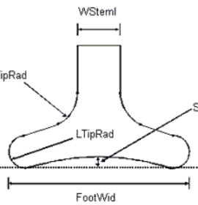 | 2.525 | 1.982 | 2.933 | 1.000 | 1.000 | 1.000 | 2.051 | 1.784 | 2.667 | 2.337 | 2.072 | 2.544 | 1.048 | 1.077 | 1.151 | 2.000 | 1.889 | 2.143 | 1.827 | 1.744 | 2.090 | 2.117 | 1.964 | 2.282 | 1.973 | 2.604 | 3.060 | 2.136 | 1.159 | 1.116 | 1.000 | 1.000 | 1.000 | 1.000 | 2.985 | 2.375 | 1.082 | 1.029 | 2.271 | 1.000
 | TipRat | SerTip / WStem(I) | 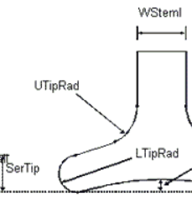 | 0.700 | 0.612 | 0.583 | 0.000 | 0.000 | 0.000 | 0.551 | 0.622 | 0.529 | 0.628 | 0.711 | 0.620 | 0.298 | 0.323 | 1.014 | 0.725 | 0.756 | 0.686 | 0.506 | 0.698 | 0.597 | 0.662 | 0.723 | 0.620 | 1.027 | 1.208 | 0.720 | 0.705 | 0.000 | 0.000 | 0.000 | 0.000 | 0.000 | 0.000 | 0.919 | 0.750 | 0.000 | 0.000 | 1.146 | 0.000
 | SerProp | SerTall / CapH | 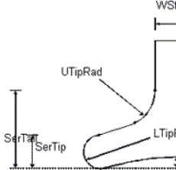 | 0.122 | 0.103 | 0.113 | 0.000 | 0.000 | 0.000 | 0.098 | 0.132 | 0.078 | 0.130 | 0.139 | 0.127 | 0.107 | 0.119 | 0.128 | 0.066 | 0.076 | 0.055 | 0.202 | 0.219 | 0.471 | 0.123 | 0.131 | 0.117 | 0.130 | 0.116 | 0.082 | 0.158 | 0.000 | 0.000 | 0.000 | 0.000 | 0.000 | 0.000 | 0.534 | 0.590 | 0.000 | 0.000 | 0.261 | 0.000
 | RonRat | StemCor / WStem(I) | 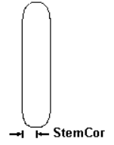 | 0.338 | 0.339 | 0.317 | 0.500 | 0.500 | 0.500 | 0.500 | 0.500 | 0.500 | 1.000 | 1.000 | 1.000 | 0.298 | 0.223 | 0.548 | 0.500 | 0.500 | 0.500 | 0.346 | 0.360 | 0.328 | 0.260 | 0.313 | 0.211 | 0.446 | 0.458 | 0.300 | 0.273 | 0.500 | 0.500 | 0.500 | 0.500 | 0.500 | 0.500 | 8.274 | 8.000 | 0.508 | 0.520 | 0.479 | 0.463
 | FootPitch |  | 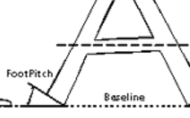 | 17.000 | 28.000 | 12.000 | 0.000 | 0.000 | 0.000 | 0.000 | 0.000 | 0.000 | 21.000 | 23.000 | 21.000 | 10.000 | 9.000 | 7.000 | 33.000 | 38.000 | 28.000 | 17.000 | 20.000 | 22.000 | 16.000 | 25.000 | 10.000 | 25.000 | 20.000 | 11.000 | 21.000 | 0.000 | 0.000 | 0.000 | 0.000 | 0.000 | 0.000 | 0.667 | 0.529 | 0.000 | 0.000 | 25.000 | 0.000
 | SerOb | EWid / EOut | 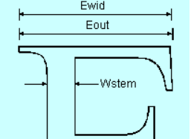 | 0.567 | 0.523 | 0.606 | 1.000 | 1.000 | 1.000 | 1.000 | 1.000 | 1.000 | 0.765 | 0.752 | 0.752 | 0.843 | 0.831 | 0.741 | 0.909 | 0.898 | 0.922 | 0.320 | 0.660 | 0.271 | 0.731 | 0.712 | 0.747 | 0.612 | 0.649 | 0.559 | 0.486 | 1.000 | 1.000 | 1.000 | 1.000 | 0.978 | 0.980 | 5.256 | 4.631 | 0.768 | 0.722 | 0.609 | 1.000
 | FlatRat | TipSum / SerTip | 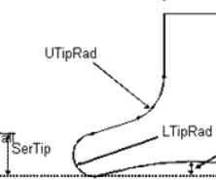 | 1.589 | 1.632 | 2.664 | X | X | X | X | X | X | 0.341 | 0.067 | -0.018 | 1.036 | 0.595 | 1.514 | -0.759 | -0.721 | -0.821 | 0.817 | 0.372 | 1.153 | 1.153 | 0.767 | 1.307 | 0.197 | 0.741 | 1.234 | 0.981 | x | x | 850.000 | 871.000 | 860.000 | 918.000 | 922.000 | 937.000 | 719.000 | 731.000 | 568.000 | 332.000

 | TipRat | SerTip / WStem(I) |  | 0.700 | 0.612 | 0.583 | 0.000 | 0.000 | 0.000 | 0.551 | 0.622 | 0.529 | 0.628 | 0.711 | 0.620 | 0.298 | 0.323 | 1.014 | 0.725 | 0.756 | 0.686 | 0.506 | 0.698 | 0.597 | 0.662 | 0.723 | 0.620 | 1.027 | 1.208 | 0.720 | 0.705 | 0.000 | 0.000 | 0.000 | 0.000 | 0.000 | 0.000 | 0.919 | 0.750 | 0.000 | 0.000 | 1.146 | 0.000
 | CuspRat | SerOff / WStem(I) | 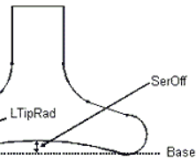 | 0.338 | 0.183 | 0.350 | 0.000 | 0.000 | 0.000 | 0.667 | 0.550 | 0.882 | 0.186 | 0.227 | 0.241 | 0.000 | 0.000 | 0.000 | 0.050 | 0.044 | 0.057 | 0.185 | 0.186 | 0.224 | 0.299 | 0.277 | 0.296 | 0.865 | 1.063 | 0.380 | 0.375 | 0.048 | 0.023 | 0.000 | 0.000 | 0.203 | 0.111 | 0.485 | 0.375 | 0.492 | 0.462 | 0.000 | 0.000
 | SerSize | SerWidL / CapH |  | 0.202 | 0.234 | 0.188 | 0.000 | 0.000 | 0.000 | 0.000 | 0.000 | 0.000 | 0.083 | 0.083 | 0.101 | 0.118 | 0.123 | 0.129 | 0.039 | 0.044 | 0.033 | 0.276 | 0.365 | 0.332 | 0.226 | 0.233 | 0.217 | 0.131 | 0.115 | 0.245 | 0.262 | 0.000 | 0.000 | 0.000 | 0.000 | 0.010 | 0.008 | 0.145 | 0.197 | 0.092 | 0.111 | 0.176 | 0.000
 | TRadAv | TipSum/2 | 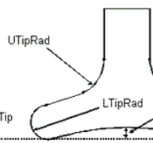 | 44.500 | 55.900 | 46.620 | 0.000 | 0.000 | 0.000 | 0.000 | 0.000 | 0.000 | 9.200 | 2.300 | -0.450 | 19.175 | 12.500 | 56.000 | -22.000 | -24.500 | -19.700 | 16.750 | 11.150 | 23.050 | 29.400 | 23.000 | 28.750 | 7.500 | 21.500 | 22.210 | 30.400 | 0.000 | 0.000 | 0.000 | 0.000 | 0.000 | 0.000 | 29.425 | 27.235 | 21.180 | 26.390 | 23.000 | 0.000
 | HipRat | SerWidL-UTipRad/HipRad |  | 177.351 | 205.000 | 162.143 | X | X | X | 0.000 | 0.000 | 0.000 | 74.147 | 74.326 | 90.443 | 51.500 | 71.000 | 51.333 | 34.000 | 39.000 | 29.000 | 109.864 | 145.000 | 132.357 | 198.519 | 205.857 | 190.724 | 125.125 | 106.786 | 211.726 | 217.780 | x | x | x | x | x | x | 138.070 | 190.089 | x | x | 126.638 | x
 | SerRat | SerTip / SerWidL | 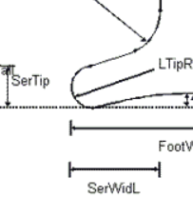 | 0.311 | 0.328 | 0.210 | X | X | X | X | X | X | 0.720 | 0.920 | 0.538 | 0.493 | 0.525 | 0.796 | 1.706 | 1.744 | 1.655 | 0.363 | 0.400 | 0.294 | 0.254 | 0.288 | 0.228 | 0.598 | 0.523 | 0.169 | 0.282 | x | x | x | x | 0.000 | 0.000 | 0.446 | 0.375 | 0.000 | 0.000 | 0.866 | x
 | SerSize | SerWidL / CapH |  | 0.202 | 0.234 | 0.188 | 0.000 | 0.000 | 0.000 | 0.000 | 0.000 | 0.000 | 0.083 | 0.083 | 0.101 | 0.118 | 0.123 | 0.129 | 0.039 | 0.044 | 0.033 | 0.276 | 0.365 | 0.332 | 0.226 | 0.233 | 0.217 | 0.131 | 0.115 | 0.245 | 0.262 | 0.000 | 0.000 | 0.000 | 0.000 | 0.010 | 0.008 | 0.145 | 0.197 | 0.092 | 0.111 | 0.176 | 0.000
 | SymRat | SerWidL / SerWidR | 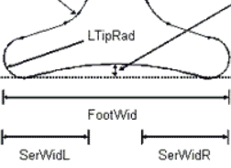 | 0.928 | 1.025 | 0.965 | X | X | X | X | X | X | 0.600 | 0.664 | 0.758 | 1.630 | 1.538 | 0.912 | 0.971 | 0.975 | 0.967 | 0.677 | 0.888 | 0.834 | 6.281 | 5.073 | 7.720 | 1.198 | 1.247 | 1.231 | 0.948 | x | x | x | x | 0.900 | 0.800 | 0.838 | 1.067 | 0.965 | 0.990 | 1.104 | x
 | DropRat | Drop / (SerWidL-HipRad) | 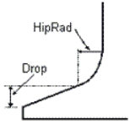 | -120.000 | -159.000 | -119.000 | X | X | X | 82.000 | 87.000 | 85.000 | -18.000 | -28.000 | -28.000 | -59.000 | -63.000 | -83.000 | 13.000 | 3.000 | 23.000 | -87.000 | -129.000 | -103.000 | -150.000 | -165.000 | -141.000 | -93.000 | -77.000 | -159.000 | -141.000 | x | x | 0.000 | 0.000 | -9.000 | -8.000 | -74.000 | -128.500 | -57.500 | -71.500 | -33.000 | 0.000
 | StepRat | SerTip / SerTall | 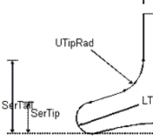 | 0.516 | 0.749 | 0.347 | X | X | X | 0.467 | 0.556 | 0.370 | 0.462 | 0.552 | 0.430 | 0.544 | 0.545 | 0.804 | 1.000 | 1.000 | 1.000 | 0.494 | 0.667 | 0.207 | 0.464 | 0.513 | 0.423 | 0.603 | 0.518 | 0.507 | 0.466 | x | x | x |  |  |  |  |  |  |  | 0.585 | x
 | TipRat | SerTip / WStem(I) |  | 0.700 | 0.612 | 0.583 | 0.000 | 0.000 | 0.000 | 0.551 | 0.622 | 0.529 | 0.628 | 0.711 | 0.620 | 0.298 | 0.323 | 1.014 | 0.725 | 0.756 | 0.686 | 0.506 | 0.698 | 0.597 | 0.662 | 0.723 | 0.620 | 1.027 | 1.208 | 0.720 | 0.705 | 0.000 | 0.000 | 0.000 |  |  |  |  |  |  |  | 1.146 | 0.000
3 | Weight
 | WeightRat | CapH / Wstem_E |  | 11.410 | 7.960 | 14.833 | 10.114 | 7.598 | 13.088 | 12.051 | 8.468 | 18.431 | 10.453 | 8.931 | 11.526 | 6.135 | 5.684 | 10.271 | 11.000 | 9.900 | 12.429 | 5.062 | 3.771 | 7.069 | 11.571 | 9.791 | 13.299 | 12.545 | 19.694 | 16.731 | 9.438 | 13.190 | 9.581
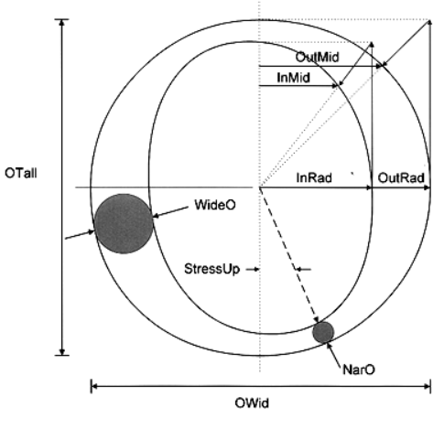
4 | Proportion
 | ThinAv | (EWid + SWid) / 2 |  | 815.500 | 807.000 | 813.000 | 769.500 | 799.000 | 754.000 | 856.000 | 855.500 | 856.000 | 859.000 | 871.000 | 851.000 | 882.000 | 845.000 | 865.500 | 801.500 | 801.500 | 801.500 | 629.500 | 623.000 | 618.000 | 815.000 | 820.500 | 813.000 | 890.500 | 828.000 | 851.500 | 854.500 | 794.000 | 859.500 | 806.500 | 816.000 | 808.000 | 837.500 | 883.500 | 898.000 | 709.250 | 716.250 | 649.000 | 580.000
 | WideAv | (OWid + HWid) / 2 |  | 852.500 | 870.500 | 842.500 | 840.000 | 839.500 | 860.500 | 876.500 | 876.500 | 875.000 | 900.000 | 914.000 | 888.000 | 882.500 | 769.000 | 877.000 | 823.500 | 824.500 | 824.000 | 632.500 | 639.500 | 630.500 | 867.000 | 866.500 | 870.500 | 887.000 | 850.000 | 889.500 | 917.000 | 888.000 | 933.000 | 874.000 | 876.000 | 889.500 | 905.000 | 947.000 | 963.500 | 782.000 | 787.500 | 651.500 | 625.000

 | ThinRat | CalcEm / ThinAv |  | 1.637 | 1.657 | 1.642 | 1.735 | 1.669 | 1.771 | 1.647 | 1.648 | 1.647 | 1.570 | 1.553 | 1.585 | 1.085 | 1.150 | 1.246 | 1.647 | 1.667 | 1.628 | 0.977 | 0.990 | 0.995 | 1.640 | 1.629 | 1.644 | 1.627 | 1.748 | 1.533 | 1.475 | 1.570 | 1.438 | 1.698 | 1.702 | 1.712 | 1.732 | 1.643 | 1.630 | 1.895 | 1.912 | 1.666 | 0.719
 | WideRat | CalcEm / WideAv |  | 1.566 | 1.536 | 1.585 | 1.589 | 1.588 | 1.551 | 1.609 | 1.609 | 1.611 | 1.498 | 1.480 | 1.519 | 1.084 | 1.264 | 1.230 | 1.603 | 1.621 | 1.584 | 0.972 | 0.964 | 0.975 | 1.542 | 1.542 | 1.535 | 1.634 | 1.703 | 1.467 | 1.374 | 1.404 | 1.325 | 1.567 | 1.586 | 1.555 | 1.603 | 1.533 | 1.519 | 1.719 | 1.739 | 1.660 | 0.667
 | PropRat | WideRat / ThinRat |  | 0.957 | 0.927 | 0.965 | 0.916 | 0.952 | 0.876 | 0.977 | 0.976 | 0.978 | 0.954 | 0.953 | 0.958 | 0.999 | 1.099 | 0.987 | 0.973 | 0.972 | 0.973 | 0.995 | 0.974 | 0.980 | 0.940 | 0.947 | 0.934 | 1.004 | 0.974 | 0.957 | 0.932 | 0.894 | 0.921 | 0.923 | 0.932 | 0.908 | 0.925 | 0.933 | 0.932 | 0.907 | 0.910 | 0.996 | 0.928

 | JMRat | JWid / MWid |  | 0.818 | 0.830 | 0.800 | 0.842 | 0.808 | 0.809 | 0.836 | 0.839 | 0.834 | 0.784 | 0.797 | 0.801 | 0.885 | 0.920 | 0.885 | 0.885 | 0.885 | 0.986 | 1.129 | 1.082 | 1.112 | 0.837 | 0.834 | 0.801 | 0.921 | 0.922 | 0.824 | 0.809 | 0.841 | 0.848 | 0.806 | 0.816 | 0.768 | 0.796 | 0.784 | 0.788 | 0.756 | 0.767 | 1.144 | 1.097
 | ORat | OTall / Owid |  | 1.041 | 1.036 | 1.069 | 1.036 | 1.067 | 1.038 | 1.075 | 1.080 | 1.065 | 1.009 | 1.003 | 1.011 | 0.982 | 1.131 | 0.994 | 1.083 | 1.083 | 1.081 | 1.127 | 1.126 | 1.127 | 1.036 | 1.031 | 1.029 | 1.072 | 1.108 | 1.045 | 1.066 | 1.002 | 0.995 | 1.053 | 1.065 | 1.039 | 1.062 | 1.020 | 1.013 | 1.177 | 1.185 | 1.387 | 1.110
5 | Contrast
 | ConRat | NarO / WideO |  | 0.500 | 0.463 | 0.492 | 0.909 | 0.871 | 0.912 | 0.846 | 0.873 | 0.769 | 0.716 | 0.679 | 0.628 | 0.500 | 0.540 | 0.394 | 0.825 | 0.792 | 0.757 | 0.615 | 0.696 | 0.484 | 0.519 | 0.624 | 0.431 | 0.838 | 0.719 | 0.414 | 0.481 | 0.871 | 0.802
6 | Stroke Variation
 | OutCurv | OutMid / OutRad |  | 0.833 | 1.399 | 0.815 | 0.736 | 0.742 | 0.736 | 0.670 | 0.664 | 0.675 | 1.292 | 0.777 | 0.777 | 0.772 | 0.829 | 0.942 | 0.726 | 0.760 | 0.730 | 1.561 | 0.808 | 0.784 | 0.817 | 0.809 | 0.807 | 0.718 | 0.736 | 0.848 | 0.866 | 0.796 | 0.869
 | InCurv | InMid / InRad |  | 0.720 | 0.717 | 0.728 | 0.775 | 0.754 | 0.773 | 0.708 | 0.702 | 0.713 | 0.799 | 0.770 | 0.832 | 1.340 | 1.182 | 1.250 | 0.987 | 0.993 | 0.715 | 0.859 | 0.649 | 0.628 | 0.953 | 0.715 | 0.748 | 0.727 | 0.711 | 1.054 | 0.990 | 0.815 | 0.900
 | Speed | OutCurv / InCurv |  | 1.156 | 1.951 | 1.120 | 0.949 | 0.984 | 0.952 | 0.945 | 0.946 | 0.947 | 1.618 | 1.008 | 0.934 | 0.576 | 0.701 | 0.754 | 0.736 | 0.765 | 1.022 | 1.817 | 1.245 | 1.249 | 0.858 | 1.132 | 1.078 | 0.989 | 1.034 | 0.805 | 0.875 | 0.977 | 0.965
7 | Arm Style
 | TaperRat | ArmAHi / ArmALo | 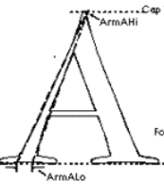 | 2.750 | 2.212 | 2.166 | 0.987 | 0.987 | 0.974 | 2.364 | 1.838 | 3.123 | 1.962 | 1.825 | 2.227 | 1.387 | 1.371 | 1.243 | 1.114 | 1.045 | 1.091 | 2.030 | 1.665 | 3.485 | 2.930 | 1.987 | 2.451 | 1.244 | 1.201 | 4.448 | 3.704 | 1.011 | 1.233
 | CurvRat | ArmCurv / CapH | 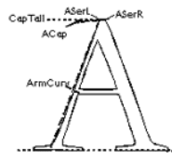 | 0.076 | 0.099 | 0.058 | 0.099 | 0.125 | 0.077 | 0.086 | 0.118 | 0.047 | 0.100 | 0.118 | 0.069 | 0.228 | 0.238 | 0.096 | 0.088 | 0.096 | 0.075 | 0.159 | 0.193 | 0.117 | 0.063 | 0.083 | 0.050 | 0.082 | 0.056 | 0.053 | 0.084 | 0.078 | 0.096
 | CutRat | CutCountLo / CutCountHi
8 | Letterform
 | OutCurv | OutMid / OutRad |  | 0.833 | 1.399 | 0.815 | 0.736 | 0.742 | 0.736 | 0.670 | 0.664 | 0.675 | 1.292 | 0.777 | 0.777 | 0.772 | 0.829 | 0.942 | 0.726 | 0.760 | 0.730 | 1.561 | 0.808 | 0.784 | 0.817 | 0.809 | 0.807 | 0.718 | 0.736 | 0.848 | 0.866 | 0.796 | 0.869 | 0.000 | 0.000 | 0.000 | 0.000 | 0.000 | 0.000 | 0.000 | 0.000
 | CentProp | CentDist / Otall
9 | Midline
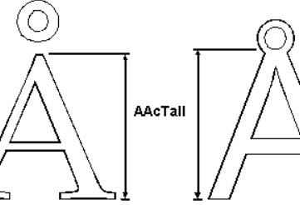
10 | X-height
 | DuckRat | AAcTall / CapH |  | 0.988 | 1.001 | 0.938 | 1.001 | 0.998 | 1.003 | 0.998 | 0.994 | 0.994 | 0.977 | 0.973 | 0.974 | 1.298 | 1.386 | 1.152 | 0.991 | 0.979 | 1.002 | 1.610 | 1.606 | 1.610 | 0.951 | 0.946 | 0.951 | 0.980 | 0.956 | 1.078 | 1.160 | 1.041 | 1.092 | 0.939 | 0.986 | 0.991 | 0.966 | 0.991 | 0.991 | 1.006 | 1.000
 | Rat | XTall / CapH |  | 0.994 | 0.998 | 0.956 | 1.000 | 1.002 | 1.000 | 1.000 | 1.000 | 1.000 | 1.003 | 1.001 | 1.000 | 1.187 | 1.077 | 1.046 | 1.011 | 0.999 | 1.023 | 1.102 | 1.010 | 1.002 | 1.000 | 0.999 | 0.997 | 0.991 | 0.972 | 1.075 | 1.160 | 1.054 | 1.092 | 1.000 | 1.001 | 1.000 | 0.981 | 1.000 | 1.000 | 1.000 | 0.996
 | LeftPitch |  |  |  |  |  | 0.000 | 0.000 | 0.000 |  |  |  |  |  |  | 0.000 | 0.000 | 0.000 |  |  |  |  |  |  |  |  |  |  |  |  |  | 10.000 | 10.000

Measurement
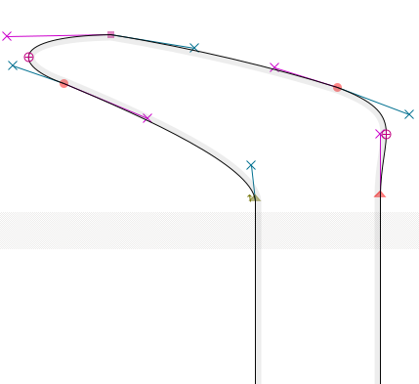
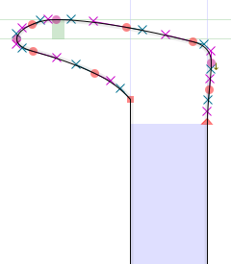
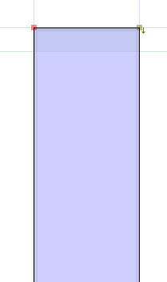
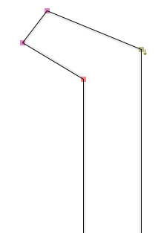
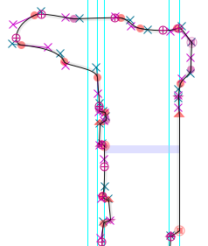
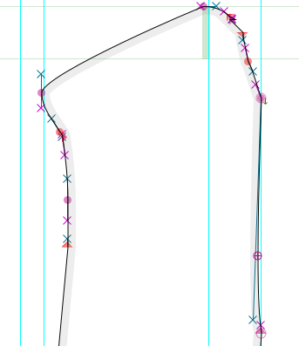
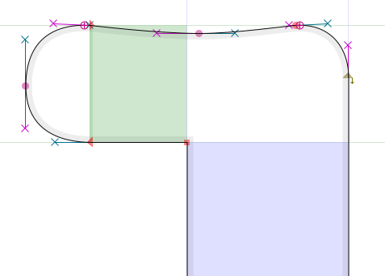
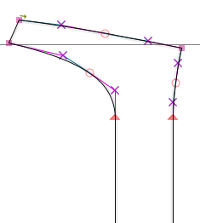
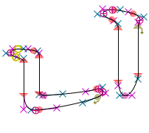
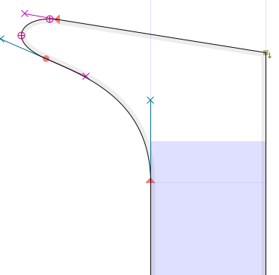
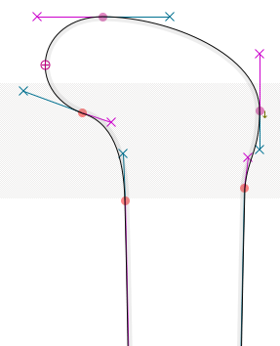

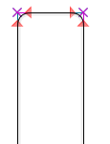
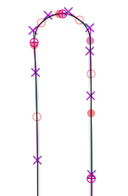
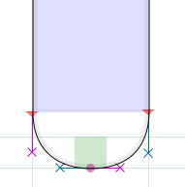
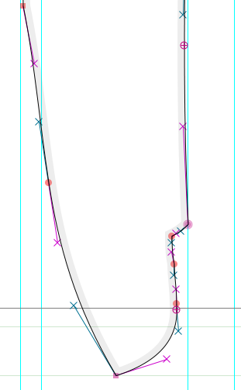
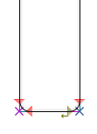
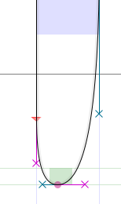

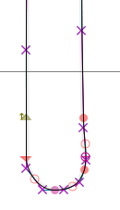
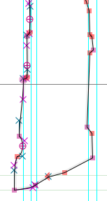
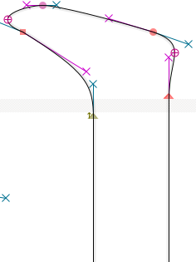
 |  | 2 명조M 1-C | 명조B D | 명조L E | 11 고딕M 2-F | 고딕B G | 고딕L H | 6 아침M 3-I | 아침B J | 아침L K | 3 천년M 4-L | 천년B M | 천년L N | 13** 다나M 5-O | 다나B P | 다나L Q | 3** 이야기M 6-R | 이야기B S | 이야기L T | 2 광수명조M 7-U | 광수명조B V | 광수명조 L W | 4** 상아M 8-X | 상아B Y | 상아L Z | 9 HY타자M 9-AA | HY타자L AB | HY신명 10-AC | HY태명 AD | HY중고 11-AE | HY태고 AF | 바른고딕 12-AG | 바른고딕 B-AH | 나눔고딕 13-AI | 나눔고딕 B-AJ | 나눔명조 14-AK | 나눔명조 B-AL | 바른펜 15-AM | 바른펜 B-AN | 스페이스 | 광수뽀리
2 | Footwid 이 | 202.00 | 222.00 | 176.00 | 88.00 | 117.00 | 68.00 | 160.00 | 198.00 | 136.00 | 201.00 | 201.00 | 201.00 | 130.00 | 140.00 | 84.00 | 160.00 | 170.00 | 150.00 | 148.00 | 150.00 | 140.00 | 163.00 | 163.00 | 162.00 | 146.00 | 125.00 | 153.00 | 188.00 | 73.00 | 96.00 | 90 | 125 | 69 | 117 | 203 | 228 | 66 | 89 | 218 | 95
3 | Wstem_I 이 | 80.00 | 112.00 | 60.00 | 88.00 | 117.00 | 68.00 | 78.00 | 111.00 | 51.00 | 86.00 | 97.00 | 79.00 | 124.00 | 130.00 | 73.00 | 80.00 | 90.00 | 70.00 | 81.00 | 86.00 | 67.00 | 77.00 | 83.00 | 71.00 | 74.00 | 48.00 | 50.00 | 88.00 | 63.00 | 86.00 | 90 | 125 | 69 | 117 | 68 | 96 | 61 | 86.5 | 96 | 95
4 | SerTip | 56.00 | 68.50 | 35.00 | 0.00 | 0.00 | 0.00 | 43.00 | 69.00 | 27.00 | 54.00 | 69.00 | 49.00 | 37.00 | 42.00 | 74.00 | 58.00 | 68.00 | 48.00 | 41.00 | 60.00 | 40.00 | 51.00 | 60.00 | 44.00 | 76.00 | 58.00 | 36.00 | 62.00 | 0.00 | 0.00 | 0 | 0.00 | 0.00 | 0 | 62.5 | 72 | 0 | 0 | 110 | 0
5 | SerTall | 108.50 | 91.50 | 101.00 | 0.00 | 0.00 | 0.00 | 92.00 | 124.00 | 73.00 | 117.00 | 125.00 | 114.00 | 68.00 | 77.00 | 92.00 | 58.00 | 68.00 | 48.00 | 83.00 | 90.00 | 193.00 | 110.00 | 117.00 | 104.00 | 126.00 | 112.00 | 71.00 | 133.00 | 0.00 | 0.00 | 0 | 0.00 | 0.00 | 0 | 117 | 122 | 0 | 0 | 188 | 0
6 | CapH | 890.00 | 891.50 | 890.00 | 890.00 | 889.00 | 890.00 | 940.00 | 940.00 | 940.00 | 899.00 | 902.00 | 899.00 | 638.00 | 648.00 | 719.00 | 880.00 | 891.00 | 870.00 | 410.00 | 411.00 | 410.00 | 891.00 | 891.00 | 891.00 | 966.00 | 965.00 | 870.00 | 840.00 | 831.00 | 824.00 | 913 | 926 | 922 | 967 | 968 | 976 | 896 | 913 | 721 | 278
7 | StemCor | 27.00 | 38.00 | 19.00 | 44.00 | 58.50 | 34.00 | 39.00 | 55.50 | 25.50 | 86.00 | 97.00 | 79.00 | 37.00 | 29.00 | 40.00 | 40.00 | 45.00 | 35.00 | 28.00 | 31.00 | 22.00 | 20.00 | 26.00 | 15.00 | 33.00 | 22.00 | 15.00 | 24.00 | 31.50 | 43.00 | 45.00 | 62.50 | 34.50 | 58.50 | 8 | 9.00 | 31 | 45 | 46 | 44
8 | FootPitch | 17.00 | 28.00 | 12.00 | 0.00 | 0.00 | 0.00 | 0.00 | 0.00 | 0.00 | 21.00 | 23.00 | 21.00 | 10.00 | 9.00 | 7.00 | 33.00 | 38.00 | 28.00 | 17.00 | 20.00 | 22.00 | 16.00 | 25.00 | 10.00 | 25.00 | 20.00 | 11.00 | 21.00 | 0.00 | 0.00 | 0 | 0.00 | 0.00 | 0 | 12 | 17 | 0 | 0 | 25 | 0
9 | Ewid 으 | 489.00 | 453.00 | 523.00 | 844.00 | 847.00 | 844.00 | 827.00 | 827.00 | 827.00 | 652.00 | 639.00 | 640.00 | 648.00 | 648.00 | 559.00 | 693.00 | 693.00 | 693.00 | 132.00 | 277.00 | 111.00 | 632.00 | 615.00 | 644.00 | 367.00 | 370.00 | 490.00 | 428.00 | 837.00 | 864.00 | 850 | 871 | 841 | 900 | 615 | 565 | 552 | 528 | 346 | 332
10 | Eout 으 | 863.00 | 866.00 | 863.00 | 844.00 | 847.00 | 844.00 | 827.00 | 827.00 | 827.00 | 852.00 | 850.00 | 851.00 | 769.00 | 780.00 | 754.00 | 762.00 | 772.00 | 752.00 | 412.00 | 420.00 | 410.00 | 865.00 | 864.00 | 862.00 | 600.00 | 570.00 | 876.00 | 880.00 | 837.00 | 864.00 | 850 | 871 | 860 | 918 | 922 | 937 | 719 | 731 | 568 | 332
11
12 | UTipRad 이 | 98.00 | 120.00 | 102.00 | 0.00 | 0.00 | 0.00 | 0.00 | 0.00 | 0.00 | 32.40 | 22.90 | 22.30 | 47.00 | 36.00 | 125.00 | 0.00 | 0.00 | 0.00 | 43.90 | 35.00 | 51.00 | 67.00 | 60.00 | 66.00 | 45.00 | 59.00 | 48.40 | 66.60 | 0.00 | 0.00 | 0.00 | 0.00 | 0.00 | 0.00 | 58.85 | 54.47 | 0 | 0 | 17 | 0
13 | LTipRad | -9.00 | -8.20 | -8.76 | 0.00 | 0.00 | 0.00 | 0.00 | 0.00 | 0.00 | -14.00 | -18.30 | -23.20 | -8.65 | -11.00 | -13.00 | -44.00 | -49.00 | -39.40 | -10.40 | -12.70 | -4.90 | -8.20 | -14.00 | -8.50 | -30.00 | -16.00 | -3.98 | -5.80 | 0.00 | 0.00 | 0.00 | 0.00 | 0.00 | 0.00 | 0 | 0 | 42.36 | 52.78 | 29 | 0
14 | TipSum | 89.00 | 111.80 | 93.24 | 0.00 | 0.00 | 0.00 | 0.00 | 0.00 | 0.00 | 18.40 | 4.60 | -0.90 | 38.35 | 25.00 | 112.00 | -44.00 | -49.00 | -39.40 | 33.50 | 22.30 | 46.10 | 58.80 | 46.00 | 57.50 | 15.00 | 43.00 | 44.42 | 60.80 | 0.00 | 0.00 | 0.00 | 0 | 0.00 | 0.00 | 58.85 | 54.47 | 42.36 | 52.78 | 46.00 | 0
15
16 | SerOff 이 | 27.00 | 20.50 | 21.00 | 0.00 | 0.00 | 0.00 | 52.00 | 61.00 | 45.00 | 16.00 | 22.00 | 19.00 | 0.00 | 0.00 | 0.00 | 4.00 | 4.00 | 4.00 | 15.00 | 16.00 | 15.00 | 23.00 | 23.00 | 21.00 | 64.00 | 51.00 | 19.00 | 33.00 | 3.00 | 2.00 | 0 | 0 | 14 | 13 | 33 | 36 | 30 | 40 | 0 | 0
17 | SerWidL 으 | 180.00 | 209.00 | 167.00 | 0.00 | 0.00 | 0.00 | 0.00 | 0.00 | 0.00 | 75.00 | 75.00 | 91.00 | 75.00 | 80.00 | 93.00 | 34.00 | 39.00 | 29.00 | 113.00 | 150.00 | 136.00 | 201.00 | 208.00 | 193.00 | 127.00 | 111.00 | 213.00 | 220.00 | 0.00 | 0.00 | 0.00 | 0.00 | 9 | 8 | 140 | 192 | 82 | 101 | 127 | 0
18 | SerWidR | 194.00 | 204.00 | 173.00 | 0.00 | 0.00 | 0.00 | 0.00 | 0.00 | 0.00 | 125.00 | 113.00 | 120.00 | 46.00 | 52.00 | 102.00 | 35.00 | 40.00 | 30.00 | 167.00 | 169.00 | 163.00 | 32.00 | 41.00 | 25.00 | 106.00 | 89.00 | 173.00 | 232.00 | 0.00 | 0.00 | 0.00 | 0.00 | 10 | 10 | 167 | 180 | 85 | 102 | 115 | 0
19 | HipRad 이 | 37.00 | 30.00 | 21.00 | 0.00 | 0.00 | 0.00 | 82.00 | 87.00 | 85.00 | 38.00 | 34.00 | 40.00 | 2.00 | 4.00 | 3.00 | 47.00 | 42.00 | 52.00 | 14.00 | 7.00 | 14.00 | 27.00 | 28.00 | 29.00 | 24.00 | 14.00 | 38.00 | 30.00 | 0.00 | 0.00 | 0.00 | 0.00 | 0.00 | 0.00 | 30.5 | 28.5 | 0 | 0 | 47 | 0
20
21 | Drop 이 | 23.00 | 20.00 | 27.00 | 0.00 | 0.00 | 0.00 | 0.00 | 0.00 | 0.00 | 19.00 | 13.00 | 23.00 | 14.00 | 13.00 | 7.00 | 0.00 | 0.00 | 0.00 | 12.00 | 14.00 | 19.00 | 24.00 | 15.00 | 23.00 | 10.00 | 20.00 | 16.00 | 49.00 | 0.00 | 0.00 | 0.00 | 0.00 | 0.00 | 0.00 | 35.5 | 35 | 24.5 | 29.5 | 47 | 0
22
23 | Wstem_E 아 | 78.00 | 112.00 | 60.00 | 88.00 | 117.00 | 68.00 | 78.00 | 111.00 | 51.00 | 86.00 | 101.00 | 78.00 | 104.00 | 114.00 | 70.00 | 80.00 | 90.00 | 70.00 | 81.00 | 109.00 | 58.00 | 77.00 | 91.00 | 67.00 | 77.00 | 49.00 | 52.00 | 89.00 | 63.00 | 86.00 | 86 | 122 | 69 | 119 | 68 | 94 | 63.5 | 88.5 | 96 | 103
24 | CalcEm | 1,335.00 | 1,337.25 | 1,335.00 | 1,335.00 | 1,333.50 | 1,335.00 | 1,410.00 | 1,410.00 | 1,410.00 | 1,348.50 | 1,353.00 | 1,348.50 | 957.00 | 972.00 | 1,078.50 | 1,320.00 | 1,336.50 | 1,305.00 | 615.00 | 616.50 | 615.00 | 1,336.50 | 1,336.50 | 1,336.50 | 1,449.00 | 1,447.50 | 1,305.00 | 1,260.00 | 1,246.50 | 1,236.00 | 1,369.50 | 1,389.00 | 1,383.00 | 1,450.50 | 1,452.00 | 1,464.00 | 1,344.00 | 1,369.50 | 1,081.50 | 417.00
25 | Ewid 맘 | 833.00 | 832.00 | 832.00 | 783.00 | 803.00 | 742.00 | 873.00 | 872.00 | 873.00 | 885.00 | 904.00 | 876.00 | 862.00 | 842.00 | 829.00 | 835.00 | 835.00 | 835.00 | 599.00 | 589.00 | 590.00 | 836.00 | 836.00 | 834.00 | 902.00 | 840.00 | 882.00 | 891.00 | 829.00 | 878.00 | 821 | 830 | 817 | 833 | 924 | 936 | 726 | 736.5 | 624 | 533
26 | Swid 핼 | 798.00 | 782.00 | 794.00 | 756.00 | 795.00 | 766.00 | 839.00 | 839.00 | 839.00 | 833.00 | 838.00 | 826.00 | 902.00 | 848.00 | 902.00 | 768.00 | 768.00 | 768.00 | 660.00 | 657.00 | 646.00 | 794.00 | 805.00 | 792.00 | 879.00 | 816.00 | 821.00 | 818.00 | 759.00 | 841.00 | 792 | 802 | 799 | 842 | 843 | 860 | 692.5 | 696 | 674 | 627
27 | Owid 왔 | 851.00 | 860.00 | 835.00 | 857.00 | 839.00 | 845.00 | 878.00 | 878.00 | 876.00 | 893.00 | 906.00 | 882.00 | 897.00 | 756.00 | 886.00 | 823.00 | 824.00 | 824.00 | 639.00 | 645.00 | 639.00 | 863.00 | 865.00 | 873.00 | 887.00 | 850.00 | 890.00 | 906.00 | 888.00 | 920.00 | 867 | 873 | 889 | 901 | 950 | 967 | 775 | 778 | 648 | 646
28 | Hwid 와 | 854.00 | 881.00 | 850.00 | 823.00 | 840.00 | 876.00 | 875.00 | 875.00 | 874.00 | 907.00 | 922.00 | 894.00 | 868.00 | 782.00 | 868.00 | 824.00 | 825.00 | 824.00 | 626.00 | 634.00 | 622.00 | 871.00 | 868.00 | 868.00 | 887.00 | 850.00 | 889.00 | 928.00 | 888.00 | 946.00 | 881 | 879 | 890 | 909 | 944 | 960 | 789 | 797 | 655 | 604
29 | Otall 왔 | 886.00 | 891.00 | 893.00 | 888.00 | 895.00 | 877.00 | 944.00 | 948.00 | 933.00 | 901.00 | 909.00 | 892.00 | 881.00 | 855.00 | 881.00 | 891.00 | 892.00 | 891.00 | 720.00 | 726.00 | 720.00 | 894.00 | 892.00 | 898.00 | 951.00 | 942.00 | 930.00 | 966.00 | 890.00 | 915.00 | 913 | 930 | 924 | 957 | 969 | 980 | 912 | 922 | 899 | 717
30 | Jwid 니 | 707.00 | 730.00 | 690.00 | 699.00 | 695.00 | 684.00 | 725.00 | 727.00 | 723.00 | 675.00 | 693.00 | 671.00 | 798.00 | 775.00 | 768.00 | 683.00 | 683.00 | 761.00 | 534.00 | 530.00 | 526.00 | 723.00 | 716.00 | 692.00 | 784.00 | 728.00 | 728.00 | 758.00 | 693.00 | 760.00 | 701 | 715 | 676 | 716 | 735 | 751 | 552 | 569 | 581 | 498
31 | Mwid 몸 | 864.00 | 879.00 | 862.00 | 830.00 | 860.00 | 845.00 | 867.00 | 867.00 | 867.00 | 861.00 | 869.00 | 838.00 | 902.00 | 842.00 | 868.00 | 772.00 | 772.00 | 772.00 | 473.00 | 490.00 | 473.00 | 864.00 | 858.00 | 864.00 | 851.00 | 790.00 | 883.00 | 937.00 | 824.00 | 896.00 | 870 | 876 | 880 | 899 | 937 | 953 | 730 | 742 | 508 | 454
32
33 | NarO ㅁ | 40.00 | 50.00 | 30.90 | 80.00 | 101.00 | 62.00 | 66.00 | 96.00 | 40.00 | 63.00 | 76.00 | 54.00 | 56.00 | 68.00 | 26.00 | 66.00 | 76.00 | 53.00 | 48.00 | 64.00 | 30.00 | 40.00 | 58.00 | 28.00 | 67.00 | 41.00 | 24.00 | 39.00 | 54.00 | 69.00 |  |  |  |  |  |  |  |  | 0
34 | WideO ㅁ | 80.00 | 108.00 | 62.80 | 88.00 | 116.00 | 68.00 | 78.00 | 110.00 | 52.00 | 88.00 | 112.00 | 86.00 | 112.00 | 126.00 | 66.00 | 80.00 | 96.00 | 70.00 | 78.00 | 92.00 | 62.00 | 77.00 | 93.00 | 65.00 | 80.00 | 57.00 | 58.00 | 81.00 | 62.00 | 86.00 |  |  |  |  |  |  |  |  | 104
35 | OutMid | 236.50 | 308.50 | 231.50 | 238.00 | 240.00 | 238.00 | 231.00 | 231.50 | 232.00 | 298.50 | 233.00 | 232.00 | 228.00 | 245.00 | 245.00 | 216.00 | 226.00 | 210.00 | 167.00 | 168.00 | 165.00 | 215.00 | 212.00 | 213.00 | 185.00 | 178.00 | 318.00 | 242.00 | 294.00 | 295.00 |  |  |  |  |  |  |  |  | 34
36 | OutRad | 284.00 | 220.50 | 284.00 | 323.50 | 323.50 | 323.50 | 345.00 | 348.50 | 343.50 | 231.00 | 300.00 | 298.50 | 295.50 | 295.50 | 260.00 | 297.50 | 297.50 | 287.50 | 107.00 | 208.00 | 210.50 | 263.00 | 262.00 | 264.00 | 257.50 | 242.00 | 375.00 | 279.50 | 369.50 | 339.50 |  |  |  |  |  |  |  |  | 104
37 | InMid | 132.50 | 125.50 | 145.50 | 150.00 | 124.00 | 170.00 | 153.00 | 121.50 | 180.00 | 131.00 | 114.00 | 144.00 | 110.00 | 91.00 | 140.00 | 148.00 | 144.00 | 154.00 | 73.00 | 61.00 | 86.00 | 142.00 | 123.00 | 153.00 | 117.00 | 128.00 | 226.00 | 147.00 | 231.00 | 207.00 |  |  |  |  |  |  |  |  | 0
38 | InRad | 184.00 | 175.00 | 200.00 | 193.50 | 164.50 | 220.00 | 216.00 | 173.00 | 252.50 | 164.00 | 148.00 | 173.00 | 82.10 | 76.96 | 112.00 | 150.00 | 145.00 | 215.50 | 85.00 | 94.00 | 137.00 | 149.00 | 172.00 | 204.50 | 161.00 | 180.00 | 214.50 | 148.50 | 283.50 | 230.00 |  |  |  |  |  |  |  |  | 0
39 | OutCurv OutMid / OutRad | 0.83 | 1.40 | 0.82 | 0.74 | 0.74 | 0.74 | 0.67 | 0.66 | 0.68 | 1.29 | 0.78 | 0.78 | 0.77 | 0.83 | 0.94 | 0.73 | 0.76 | 0.73 | 1.56 | 0.81 | 0.78 | 0.82 | 0.81 | 0.81 | 0.72 | 0.74 | 0.85 | 0.87 | 0.80 | 0.87 |  |  |  |  |  |  |  |  | 0.33
40 | InCurv InMid / InRad | 0.72 | 0.72 | 0.73 | 0.78 | 0.75 | 0.77 | 0.71 | 0.70 | 0.71 | 0.80 | 0.77 | 0.83 | 1.34 | 1.18 | 1.25 | 0.99 | 0.99 | 0.71 | 0.86 | 0.65 | 0.63 | 0.95 | 0.72 | 0.75 | 0.73 | 0.71 | 1.05 | 0.99 | 0.81 | 0.90 |  |  |  |  |  |  |  |  | x
41 | Speed outcurv/incurv | 1.16 | 1.95 | 1.12 | 0.95 | 0.98 | 0.95 | 0.95 | 0.95 | 0.95 | 1.62 | 1.01 | 0.93 | 0.58 | 0.70 | 0.75 | 0.74 | 0.76 | 1.02 | 1.82 | 1.24 | 1.25 | 0.86 | 1.13 | 1.08 | 0.99 | 1.03 | 0.80 | 0.87 | 0.98 | 0.97 |  |  |  |  |  |  |  |  | x
42
43 | ArmAHi ㅅ | 91.30 | 115.90 | 61.30 | 88.00 | 111.00 | 67.50 | 99.30 | 127.00 | 68.40 | 107.30 | 126.50 | 98.00 | 143.68 | 156.20 | 71.20 | 82.00 | 92.00 | 72.00 | 74.50 | 87.10 | 56.00 | 75.00 | 95.00 | 66.90 | 96.30 | 65.00 | 59.60 | 92.60 | 65.90 | 109.00 |  |  |  |  |  |  |  |  | 109
44 | ArmALo | 33.20 | 52.40 | 28.30 | 89.20 | 112.50 | 69.30 | 42.00 | 69.10 | 21.90 | 54.70 | 69.30 | 44.00 | 103.60 | 113.90 | 57.30 | 73.60 | 88.00 | 66.00 | 36.70 | 52.30 | 16.07 | 25.60 | 47.80 | 27.30 | 77.40 | 54.10 | 13.40 | 25.00 | 65.20 | 88.40 |  |  |  |  |  |  |  |  | 56
45 | ArmCurv | 67.80 | 88.40 | 51.20 | 88.00 | 111.00 | 68.50 | 80.60 | 110.70 | 43.80 | 89.80 | 106.00 | 62.00 | 145.50 | 154.00 | 69.20 | 77.30 | 85.70 | 65.00 | 65.30 | 79.50 | 47.80 | 55.90 | 73.90 | 44.30 | 79.10 | 54.30 | 46.40 | 70.90 | 64.70 | 79.00 |  |  |  |  |  |  |  |  | 81
46 |  |  |  |  | 0.00 | 0.00 | 0.00 |  |  |  |  |  |  | 0.00 | 0.00 | 0.00
47 | CutCountLo
48 | CutCountHi
49 | CentDist
50 | Slant
51
52 | AAcTall 맘 | 879.00 | 892.00 | 835.00 | 891.00 | 887.00 | 893.00 | 938.00 | 934.00 | 934.00 | 878.00 | 878.00 | 876.00 | 828.00 | 898.00 | 828.00 | 872.00 | 872.00 | 872.00 | 660.00 | 660.00 | 660.00 | 847.00 | 843.00 | 847.00 | 947.00 | 923.00 | 938.00 | 974.00 | 865.00 | 900.00 | 857 | 913 | 914 | 934 | 959 | 967 | 901 | 913 | 865
53 | Xtall 마 | 885.00 | 890.00 | 851.00 | 890.00 | 891.00 | 890.00 | 940.00 | 940.00 | 940.00 | 902.00 | 903.00 | 899.00 | 757.00 | 698.00 | 752.00 | 890.00 | 890.00 | 890.00 | 452.00 | 415.00 | 411.00 | 891.00 | 890.00 | 888.00 | 957.00 | 938.00 | 935.00 | 974.00 | 876.00 | 900.00 | 913 | 927 | 922 | 949 | 968 | 976 | 896 | 909 | 717
54 | LeftPitch |  |  |  | 0.00 | 0.00 | 0.00 |  |  |  |  |  |  | 0.00 | 0.00 | 0.00 |  |  |  |  |  |  |  |  |  |  |  |  |  | 10.00 | 10.00

55 맘 W/H |  | 0.95 | 0.93 | 1.00 | 0.88 | 0.91 | 0.83 | 0.93 | 0.93 | 0.93 | 1.01 | 1.03 | 1.00 | 1.04 | 0.94 | 1.00 | 0.96 | 0.96 | 0.96 | 0.91 | 0.89 | 0.89 | 0.99 | 0.99 | 0.98 | 0.95 | 0.91 | 0.94 | 0.91 | 0.96 | 0.98 | 0.96 | 0.91 | 0.89 | 0.89 | 0.96 | 0.97 | 0.81 | 0.81 | 0.72
 |  | 0.94 | 0.93 | 0.98 | 0.88 | 0.90 | 0.83 | 0.93 | 0.93 | 0.93 | 0.98 | 1.00 | 0.97 | 1.14 | 1.21 | 1.10 | 0.94 | 0.94 | 0.94 | 1.33 | 1.42 | 1.44 | 0.94 | 0.94 | 0.94 | 0.94 | 0.90 | 0.94 | 0.91 | 0.95 | 0.98 | 0.90 | 0.90 | 0.89 | 0.88 | 0.95 | 0.96 | 0.81 | 0.81 | 0.87
 |  | 0.79 | 0.82 | 0.78 | 0.79 | 0.78 | 0.77 | 0.77 | 0.77 | 0.77 | 0.75 | 0.77 | 0.75 | 1.25 | 1.20 | 1.07 | 0.78 | 0.77 | 0.87 | 1.30 | 1.29 | 1.28 | 0.81 | 0.80 | 0.78 | 0.81 | 0.75 | 0.84 | 0.90 | 0.83 | 0.92 | 0.77 | 0.77 | 0.73 | 0.74 | 0.76 | 0.77 | 0.62 | 0.62 | 0.81
 |  | 0.97 | 0.99 | 0.97 | 0.93 | 0.97 | 0.95 | 0.92 | 0.92 | 0.92 | 0.96 | 0.96 | 0.93 | 1.41 | 1.30 | 1.21 | 0.88 | 0.87 | 0.89 | 1.15 | 1.19 | 1.15 | 0.97 | 0.96 | 0.97 | 0.88 | 0.82 | 1.01 | 1.12 | 0.99 | 1.09 | 0.95 | 0.95 | 0.95 | 0.93 | 0.97 | 0.98 | 0.81 | 0.81 | 0.70
 |  | 0.88 | 0.90 | 0.87 | 0.86 | 0.87 | 0.86 | 0.85 | 0.85 | 0.85 | 0.85 | 0.87 | 0.84 | 1.33 | 1.25 | 1.14 | 0.83 | 0.82 | 0.88 | 1.23 | 1.24 | 1.22 | 0.89 | 0.88 | 0.87 | 0.85 | 0.79 | 0.93 | 1.01 | 0.91 | 1.00 | 0.86 | 0.86 | 0.84 | 0.84 | 0.86 | 0.87 | 0.72 | 0.72 | 0.76

measure 1
 |  |  |  |  |  | 1명조 |  |  | 2고딕 |  |  | 3명조 |  |  | 4명조
 |  |  |  |  |  | M | B | L | M | B | L | M | B | L | 4_M | 4_B | 4_L | 5_M | 5_B | 5_L | 6_M | 6_B | 6_L | 광수명조M | 광수명조B | 광수명조L | 상아M | 상아B | 상아L | HY타자M | HY타자L | HY신명 | HY태명 | HY중고 | HY태고
1 | FootRat<=1.6 & TipRat<0.1 |  |  |  |  | NO |  |  | Yes |  |  | NO |  |  |  |  |  | X | X | X | X | X | X | X | X | X | X | X | X | X | X | X | X | O | O
11 |  |  |  | FootRat>1.05 & SerProp<0.35 |  |  |  |  | NO |  |  |  |  |  |  |  |  |  |  |  |  |  |  |  |  |  |  |  |  |  |  |  |  | X | X
12 |  |  |  | RonRat < 0.2 |  |  |  |  | NO |  |  |  |  |  |  |  |  |  |  |  |  |  |  |  |  |  |  |  |  |  |  |  |  | X | X
13 |  |  |  | FootPitch >0 |  |  |  |  | NO |  |  |  |  |  |  |  |  |  |  |  |  |  |  |  |  |  |  |  |  |  |  |  |  | X | X
14 |  |  |  | SerOb >= 1.03 or <=0.97 |  |  |  |  | NO |  |  |  |  |  |  |  |  |  |  |  |  |  |  |  |  |  |  |  |  |  |  |  |  | X | X
15 |  |  |  | 0.97 < SerOb < 1.03 |  |  |  |  | Yes |  |  |  |  |  |  |  |  |  |  |  |  |  |  |  |  |  |  |  |  |  |  |  |  | O | O
2 | FootRat>1.6 or TipRat>=0.1 |  |  |  |  | Yes |  |  | 11-Nornal |  |  | Yes |  |  |  |  |  | O | O | O | O | O | O | O | O | O | O | O | O | O | O | O | O
21 |  | FlatRat >0.37 or TipRat <= 0.76 |  |  |  | Yes |  |  |  |  |  | NO |  |  |  |  |  | O | O | O | O | O | O | O | O | O | O | O | O | O | O
211 |  |  | CuspRat >0.85 |  |  | NO |  |  |  |  |  |  |  |  |  |  |  | X | X | X |  |  |  | X | X | X | X | X | X | 9-Exaggerated |  | X | X
2121 |  |  | TRadAV>0 & HipRat<=0.15 |  |  | Yes |  |  |  |  |  |  |  |  |  |  |  | X | X | X |  |  |  | X | X | X | X | X | X |  |  | X | X
2122 |  |  |  | TRadAV>0 & SerRat>0.92 |  | NO |  |  |  |  |  |  |  |  |  |  |  | X | X | X |  |  |  |  |  |  | X | X | X
2123 |  |  |  | TRadAV>0 & SerRat<=0.55 & SerOb > 0.27 |  | Yes |  |  |  |  |  |  |  |  |  |  |  | O | O | O |  |  |  | O | O | O | O | O | O |  |  | O | O
2124 |  |  |  | TRadAV>0 & SerRat<=0.55 & SerOb <= 0.93 |  | 2-Cove |  |  |  |  |  |  |  |  | O | O | O | 2-Cove |  |  |  |  |  | 2-Cove |  |  | 2-Cove |  |  |  |  | 2-Cove
2131 |  |  | TRadAV<=0 & SerSize<=0.03 |  |  |  |  |  |  |  |  |  |  |  | 3-Obtues Cove
2132 |  |  |  | TRadAV<=0 & HipRat<0.3
2133 |  |  |  | TRadAV<=0 & HipRat>=0.3 & SerOb>0.93
2134 |  |  |  | TRadAV<=0 & HipRat>=0.3 & SerOb<=0.93
22 |  | FlatRat <=0.8 or TipRat > 0.25 |  |  |  |  |  |  |  |  |  | Yes
221 |  |  | SymRat >1.2 or SymRat <0.85 |  |  |  |  |  |  |  |  | NO
222 |  |  | HipRat> 0.1 |  |  |  |  |  |  |  |  | NO
2221 |  |  |  | 0.35>=HipRat>0.1 & DropRat>0.2
2222 |  |  |  | HipRat>0.35 or DropRat<=0.2
22221 |  |  |  | SerOb <= 0.93
22222 |  |  |  | 0.93 < SerOb
223 |  |  | HipRat<=0.1 & StepRat<=0.36 |  |  |  |  |  |  |  |  | NO
224 |  |  | HipRat<=0.1 & StepRat>0.85 & TipRat>0.35 |  |  |  |  |  |  |  |  | Yes
225 |  |  | HipRat<=0.1 & StepRat>0.85 & TipRat<=0.35 |  |  |  |  |  |  |  |  | 6-Square

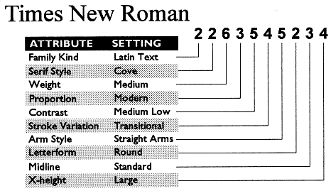
 |  |  |  | 1명조
 |  |  |  | M
 |  |  |  |  | 2 2 5 4 4 3 2 1 1 2
 |  |  |  | B
 |  |  |  |  | 2 2 7 4 4 3 2 1 1 2
 |  |  |  | L
 |  |  |  |  | 2 2 3 4 4 3 2 1 1 2

 |  |  |  | 2고딕
 |  |  |  | M
 |  |  |  |  | 2 11 6 4 2 3 2 2 1 2
 |  |  |  | B
 |  |  |  |  | 2 11 7 4 2 3 2 2 1 2
 |  |  |  | L
 |  |  |  |  | 2 11 3 4 2 3 2 2 1 2

Distance
 |  |  | 1 | 2 | 3 | 4 | 5 | 6 | 7 | 8 | 9 | 10 | 11 | 12 | 13 | 14 | 15 | Means within and between each group for the font distance values
 |  |  | Sandoll Myeongjo | SM Myeongjo | Nanum Myeongjo | HY Myeongjo | Yungothic | Seegothic | Sandoll gothic | Rix Bright Gothic | Cheon-nyeon | Dana | Achim | Iyagi | Gwangsu Myeongjo | Taja | Nanum Son Geulssi pen |  | Myeongjo | Gothic | Monan Buri | Non-square | Border decoration
 | 1 | Sandoll Myeongjo | 0 | 12.43 | 9.05 | 5.09 | 31.9 | 32.66 | 30.62 | 64.92 | 5.23 | 88.56 | 18.15 | 24.89 | 64.99 | 19.7 | 64.94 |  | 1,2,3,4 | 5,6,7,8, | 1,2,3,4,5,6,7,8,11,15 | 8,13,15 | 9,10,11,12
 | 2 | SM Myeongjo |  | 0 | 18.06 | 16.72 | 31.05 | 30.98 | 32.29 | 66.44 | 69.07 | 97.28 | 26.81 | 31.47 | 66.8 | 16.77 | 67.85 | WITHIN | 11.395 | 43.206666667 | 38.054418605 | 30.47 | 45.47
 | 3 | Nanum Myeongjo |  |  | 0 | 7.02 | 28.81 | 30.41 | 26.72 | 62.31 | 52.9 | 81.83 | 12.33 | 16.73 | 64.28 | 19.69 | 61.64 | BETWEEN | 49.068080808 | 47.14010101 | 53.475333333 | 47.399117647 | 47.002929293
 | 4 | HY Myeongjo |  |  |  | 0 | 33.04 | 34.51 | 34.51 | 64.32 | 54.52 | 84.3 | 13.98 | 21.86 | 63.63 | 22.6 | 63.97
 | 5 | Yungothic |  |  |  |  | 0 | 8.91 | 8.91 | 62.51 | 62.1 | 32.31 | 32.73 | 27.05 | 75.37 | 19.55 | 60.75
OURs | 6 | Seegothic |  |  |  |  |  | 0 | 57.24 | 64.43 | 66.81 | 87.35 | 35.76 | 30.65 | 78.61 | 18.21 | 63.25
 | 7 | Sandoll gothic |  |  |  |  |  |  | 0 | 57.24 | 56.82 | 77.72 | 30.22 | 24.38 | 71.5 | 19.06 | 55.46
 | 8 | Rix Bright Gothic |  |  |  |  |  |  |  | 0 | 73.35 | 90.81 | 66.47 | 63.84 | 36.04 | 57.24 | 14.78
 | 9 | Cheon-nyeon |  |  |  |  |  |  |  |  | 0 | 33.08 | 43.97 | 42.28 | 74.16 | 66.25 | 68.02
 | 10 | Dana |  |  |  |  |  |  |  |  |  | 0 | 73.23 | 68.72 | 96.48 | 91.8 | 83.43
 | 11 | Achim |  |  |  |  |  |  |  |  |  |  | 0 | 11.54 | 66.54 | 29.03 | 65.4
 | 12 | Iyagi |  |  |  |  |  |  |  |  |  |  |  | 0 | 68.65 | 28.22 | 62.05
 | 13 | Gwangsu Myeongjo |  |  |  |  |  |  |  |  |  |  |  |  | 0 | 66.42 | 40.58
 | 14 | Taja |  |  |  |  |  |  |  |  |  |  |  |  |  | 0 | 58.2
 | 15 | Nanum Son Geulssi pen |  |  |  |  |  |  |  |  |  |  |  |  |  |  | 0

 |  |  | Sandoll Myeongjo | SM Myeongjo | Nanum Myeongjo | HY Myeongjo | Yungothic | Seegothic | Sandoll gothic | Rix Bright Gothic | Cheon-nyeon | Dana | Achim | Iyagi | Gwangsu Myeongjo | Taja | Nanum Son Geulssi pen |  | Myeongjo | Gothic | Monan Buri | Non-square | Border decoration
 | 1 | Sandoll Myeongjo | 0 | 7.4329547482 | 33.234158746 | 7.4329547482 | 75.062374006 | 76.156855179 | 74.69120213 | 73.948858378 | 19.662592202 | 18.206456381 | 47.005587069 | 93.421106028 | 43.969591468 | 60.377291834 | 37.897600265 |  | 1,2,3,4 | 5,6,7,8, | 1,2,3,4,5,6,7,8,11,15 | 8,13,15 | 9,10,11,12
 | 2 | SM Myeongjo |  | 0 | 30.645472841 | 0 | 76.156855179 | 77.946093966 | 75.062374006 | 73.568169274 | 18.206456381 | 12.87680893 | 49.851238119 | 94.886759077 | 40.705182405 | 61.738255379 | 38.620909562 | WITHIN | 18.231835654 | 22.665277507 | 48.870963677 | 55.08 | 58.897362944
 | 3 | Nanum Myeongjo |  |  | 0 | 30.645472841 | 54.609851914 | 58.045571074 | 52.02116601 | 48.737722491 | 28.780096234 | 31.530575007 | 44.588211261 | 70.50362199 | 48.737722491 | 43.331937219 | 50.403237319 | BETWEEN | 52.655167181 | 52.386473735 | 51.649359652 | 50.558871982 | 50.190589769
 | 4 | HY Myeongjo |  |  |  | 0 | 76.156855179 | 77.946093966 | 77.946093966 | 73.568169274 | 18.206456381 | 12.87680893 | 49.851238119 | 94.886759077 | 40.705182405 | 61.738255379 | 38.620909562
 | 5 | Yungothic |  |  |  |  | 0 | 7.4329547482 | 7.4329547482 | 30.645472841 | 65.21204345 | 75.785683303 | 37.897600265 | 29.731818993 | 78.298231387 | 21.023555747 | 72.816308295
 | 6 | Seegothic |  |  |  |  |  | 0 | 27.809339019 | 34.861604664 | 67.296316292 | 78.298231387 | 37.155256513 | 28.780096234 | 81.410364809 | 22.298864245 | 73.948858378
PANOSE | 7 | Sandoll gothic |  |  |  |  |  |  | 0 | 27.809339019 | 63.927217725 | 73.948858378 | 40.019942018 | 32.396642718 | 75.785683303 | 22.298864245 | 72.435619191
 | 8 | Rix Bright Gothic |  |  |  |  |  |  |  | 0 | 63.927217725 | 73.196997398 | 50.945719292 | 42.694282971 | 72.054930088 | 37.155256513 | 70.893828322
 | 9 | Cheon-nyeon |  |  |  |  |  |  |  |  | 0 | 19.662592202 | 38.620909562 | 87.615597198 | 41.228629922 | 54.105438852 | 37.155256513
 | 10 | Dana |  |  |  |  |  |  |  |  |  | 0 | 50.136754947 | 95.172275905 | 34.052640319 | 61.281428455 | 36.412912761
 | 11 | Achim |  |  |  |  |  |  |  |  |  |  | 0 | 62.176047849 | 55.114264977 | 27.809339019 | 43.331937219
 | 12 | Iyagi |  |  |  |  |  |  |  |  |  |  |  | 0 | 99.987993066 | 39.325184404 | 94.001656911
 | 13 | Gwangsu Myeongjo |  |  |  |  |  |  |  |  |  |  |  |  | 0 | 64.365010194 | 22.298864245
 | 14 | Taja |  |  |  |  |  |  |  |  |  |  |  |  |  | 0 | 57.569709695
 | 15 | Nanum Son Geulssi pen |  |  |  |  |  |  |  |  |  |  |  |  |  |  | 0

 |  |  | 0 | 7.81 | 34.92 | 7.81 | 78.87 | 80.02 | 78.48 | 77.7 | 20.66 | 19.13 | 49.39 | 98.16 | 46.2 | 63.44 | 39.82
 |  |  |  | 0 | 32.2 | 0 | 80.02 | 81.9 | 78.87 | 77.3 | 19.13 | 13.53 | 52.38 | 99.7 | 42.77 | 64.87 | 40.58
 |  | 13.4536 |  |  | 0 | 32.2 | 57.38 | 60.99 | 54.66 | 51.21 | 30.24 | 33.13 | 46.85 | 74.08 | 51.21 | 45.53 | 52.96
 |  |  |  |  |  | 0 | 80.02 | 81.9 | 81.9 | 77.3 | 19.13 | 13.53 | 52.38 | 99.7 | 42.77 | 64.87 | 40.58
 |  |  |  |  |  |  | 0 | 7.81 | 7.81 | 32.2 | 68.52 | 79.63 | 39.82 | 31.24 | 82.27 | 22.09 | 76.51
 |  |  |  |  |  |  |  | 0 | 29.22 | 36.63 | 70.71 | 82.27 | 39.04 | 30.24 | 85.54 | 23.43 | 77.7
 |  |  |  |  |  |  |  |  | 0 | 29.22 | 67.17 | 77.7 | 42.05 | 34.04 | 79.63 | 23.43 | 76.11
 |  |  |  |  |  |  |  |  |  | 0 | 67.17 | 76.91 | 53.53 | 44.86 | 75.71 | 39.04 | 74.49
 |  |  |  |  |  |  |  |  |  |  | 0 | 20.66 | 40.58 | 92.06 | 43.32 | 56.85 | 39.04
 |  |  |  |  |  |  |  |  |  |  |  | 0 | 52.68 | 100 | 35.78 | 64.39 | 38.26
 |  |  |  |  |  |  |  |  |  |  |  |  | 0 | 65.33 | 57.91 | 29.22 | 45.53
 |  |  |  |  |  |  |  |  |  |  |  |  |  | 0 | 105.06 | 41.32 | 98.77
 |  |  |  |  |  |  |  |  |  |  |  |  |  |  | 0 | 67.63 | 23.43
 |  |  |  |  |  |  |  |  |  |  |  |  |  |  |  | 0 | 60.49
 |  |  |  |  |  |  |  |  |  |  |  |  |  |  |  |  | 0
Average distance between groups calculated by our algorithm
Mean distance between groups calculated by PANOSE

